SIT-OVM-DDM-05
▣ Scenario SIT-OVM-DUM-05 : Sending to OVMC

Commuication
OSCVM
Connection
Connect
Accept
Receive Data and Messages
OVMC
Backup Data
▶ Desc & Flow
Description |  | OVMC receives transaction and event data.It performs the backup data at a separate folder.
Biz flow ( It describe briefly )

▶ Advance preparation
Preparation |  | OSCVM 1 EA, OVMC 1 EA

▶ Data
NO | Item | 1 | 2 | 3 | 4 | 5
1 | N/A

001
Test Case -SIT-OVM-DUM-05-001 : Transaction data

1. Test Scenario
Test date |  | 1st |  | Tester |  | 1st
 |  | 2nd |  |  |  | 2nd
 |  | 3rd |  |  |  | 3rd

Receive Transaction data
Backup
Description |  | Transaction data |  |  |  |  | Written by
Flow

NO | Task | Test data | Expected result | Person in charge | Result |  | Pass/Fail |  |  | Remark
 |  |  |  |  |  |  | 1st | 2nd | 3rd
1 | [Send Transaction data ] 1.OSCVM sends transaction data to OVMC | Test Data A: Transaction Data | Success to send |  | 1st |  |  |  |  | Test Data:B
 |  |  |  |  | 2nd
 |  |  |  |  | 3rd
2 | [Backup] 1.OVMC performs the backup transaction data at a separate folder. |  | Succes to backup |  | 1st |  |  |  |  | Test Data:C
 |  |  |  |  | 2nd
 |  |  |  |  | 3rd

NO | Item
A | Transaction Data
B | 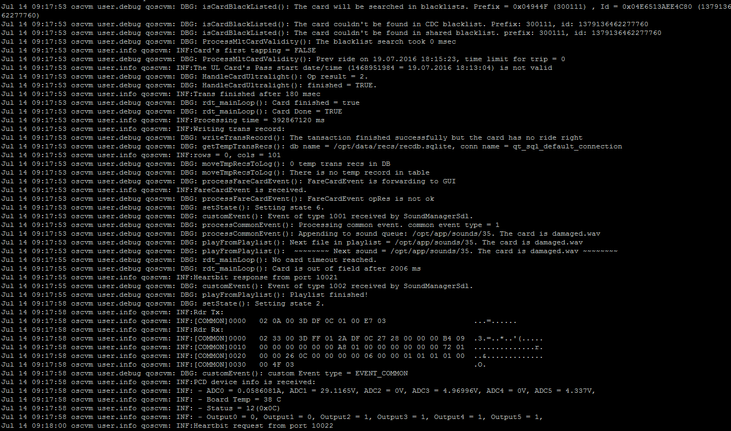

C

002
Test Case -SIT-OVM-DUM-05-002 : Event data

1. Test Scenario
Test date |  | 1st |  | Tester |  | 1st
 |  | 2nd |  |  |  | 2nd
 |  | 3rd |  |  |  | 3rd

Receive Event data
Backup
Description |  | Event data |  |  |  |  | Written by
Flow

NO | Task | Test data | Expected result | Person in charge | Result |  | Pass/Fail |  |  | Remark
 |  |  |  |  |  |  | 1st | 2nd | 3rd
1 | [Receive Event data ] 1..OSCVM sends Event data from OSCVM | Test Data A: Event Data | Success to receive |  | 1st |  |  |  |  | Test Data:B
 |  |  |  |  | 2nd
 |  |  |  |  | 3rd
2 | [Backup] 1.OVMC performs the backupEvent data at a separate folder. |  | Succes to backup |  | 1st |  |  |  |  | Test Data:C
 |  |  |  |  | 2nd
 |  |  |  |  | 3rd

NO | Item
A | Event Data
B | 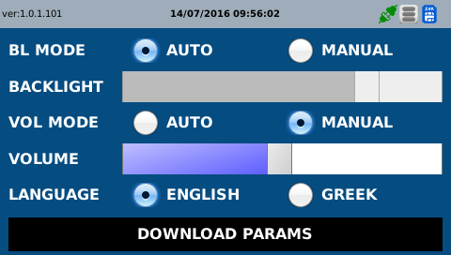

C | 